3.2
3.2. Drink Driving Offences - Chart | Back to Index

Rate of driving under the influence of alcohol offences per 10,000 population, Scotland 2004/2005 to 2014/15

2004/05 | 22
2005/06 | 22
2006/07 | 23
2007/08 | 21
2008/09 | 19
2009/10 | 16
2010/11 | 14
2011/12 | 14
2012/13 | 12
2013/2014 | 11
2014/15 | 10

Source: Recorded Crime in Scotland 2014/15, Scottish Crime and Justice Statistics

3.4
3.4. Drunkenness and other disorderly conduct - Chart | Back to Index

Drunkenness and other disorderly conduct offences (per 10,000 pop), Scotland 2008/09 to 2014/15

 | Drunkenness and other disorderly conduct Rate | #REF! | Drunkenness and other disorderly conduct Rate
2008/09 | 60 | 1 | 60
2009/10 | 76 |  | 76
2010/11 | 71 |  | 71
2011/12 | 71 |  | 71
2012/13 | 74 |  | 74
2013/14 | 81 |  | 81
2014/15 | 66 |  | 66

Source: Recorded Crime in Scotland 2014/15, Scottish Crime and Justice Statistics

3.6
3.6. Alcohol and Homicide - Chart | Back to Index
Alcohol and drug status of individuals accused of homicide in Scotland, 2000/01 to 2014/15

Alcohol and Drug Status of Individuals Accused of Homicide in Scotland, 2000/01 to 2014/15
 | Number of accused | Number of accused (where drugs and alcohol status is known) | Number under the influence of alcohol or under the influence of alcohol and drugs
2000-01 | 129 | 95 | 62
2001-02 | 161 | 91 | 69
2002-03 | 176 | 125 | 76
2003-04 | 156 | 94 | 65
2004-05 | 188 | 103 | 61
2005-06 | 141 | 117 | 78
2006-07 | 169 | 99 | 65
2007-08 | 149 | 87 | 54
2008-09 | 132 | 75 | 47
2009-10 | 121 | 78 | 54
2010-11 | 142 | 100 | 71
2011-12 | 127 | 105 | 80
2012-13 | 85 | 53 | 34
2013-14 | 88 | 62 | 44
2014-15 | 77 | 39 | 27

Source: Homicides in Scotland Scottish Crime and Justice Statistics

3.9
3.9. Violent Crime (Alcohol Status) - Chart | Back to Index
Proportion of violent crimes where victim was under the influence of alcohol/ the victim perceived the offender to be under the influence of alcohol, by age group, Scotland, 2012/2013
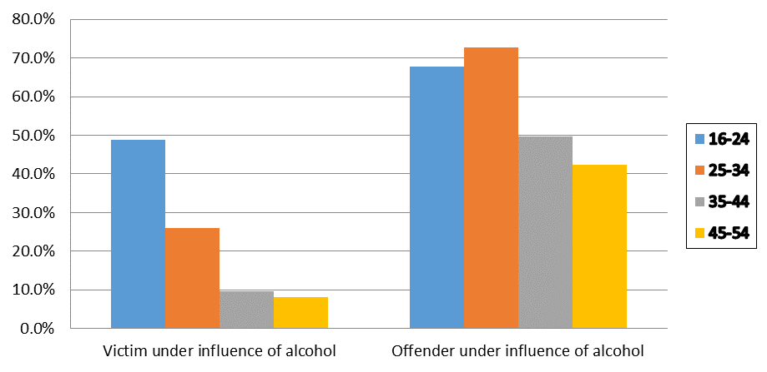

Source: Scottish Crime and Justice Survey, Scottish Crime and Justice Statistics

4.2
4.2. Alcohol Consumption Children - ever consumed alcohol - chart | Back to Index
Percentage of children aged 13 and aged 15 reporting that they have consumed alcohol, Scotland 1990 to 2013
1990 | 49.4%
1992 | 49.2%
1994 | 52.7%
1996 | 61.9%
1998 | 58.7%
2000 | 57.1%
2002 | 68.8%
2004 | 67.9%
2006 | 57.5%
2008 | 52.2%
2010 | 44.4%
2013 | 31.9%

Source: SALSUS

4.4
4.4. Adverse consequences of alcohol consumption amongst children - chart | Back to Index
Proportion of children, who reporting having consumed alcohol, who suffered adverse consequences within the last year, 2004 to 2013

 | Had an argument | Been in trouble with the police | Had a fight | Stayed off school
2004 | 0.3377612815 | 0.18098219527 | 0.17611415168 | 0.092661813889
2006 | 0.33484014675 | 0.20654180955 | 0.17552419887 | 0.091181165204
2008 | 0.33839342188 | 0.20891497462 | 0.17503564074 | 0.10085905186
2010 | 0.30729653882 | 0.17555315451 | 0.14896415653 | 0.089070729872
2013 | 0.29025012142 | 0.13547443476 | 0.12964989059 | 0.079041989152

Source: SALSUS

